Sheet1
 | Document No. |  | Issue No. | Issue Date |  |  | Review and Replace Date |  | Authorised By
 | GFF392MC |  | 1 | 14.08.2023 |  |  | new issue |  | Magda Shah
 | Document Title |  | Chicken Madras with Pilau Rice 400g

Document amendments reason for change | New Launch |  |  | Page 1 of 1 |  | Previous Issue Date |  | new issue | Uncontrolled copy unless signed original

CCMAR-R4T |  | GAZEBO CUISINE |  |  | Chicken Madras with Pilau Rice 400g
STEP 1 |  |  |  |  | STEP 2
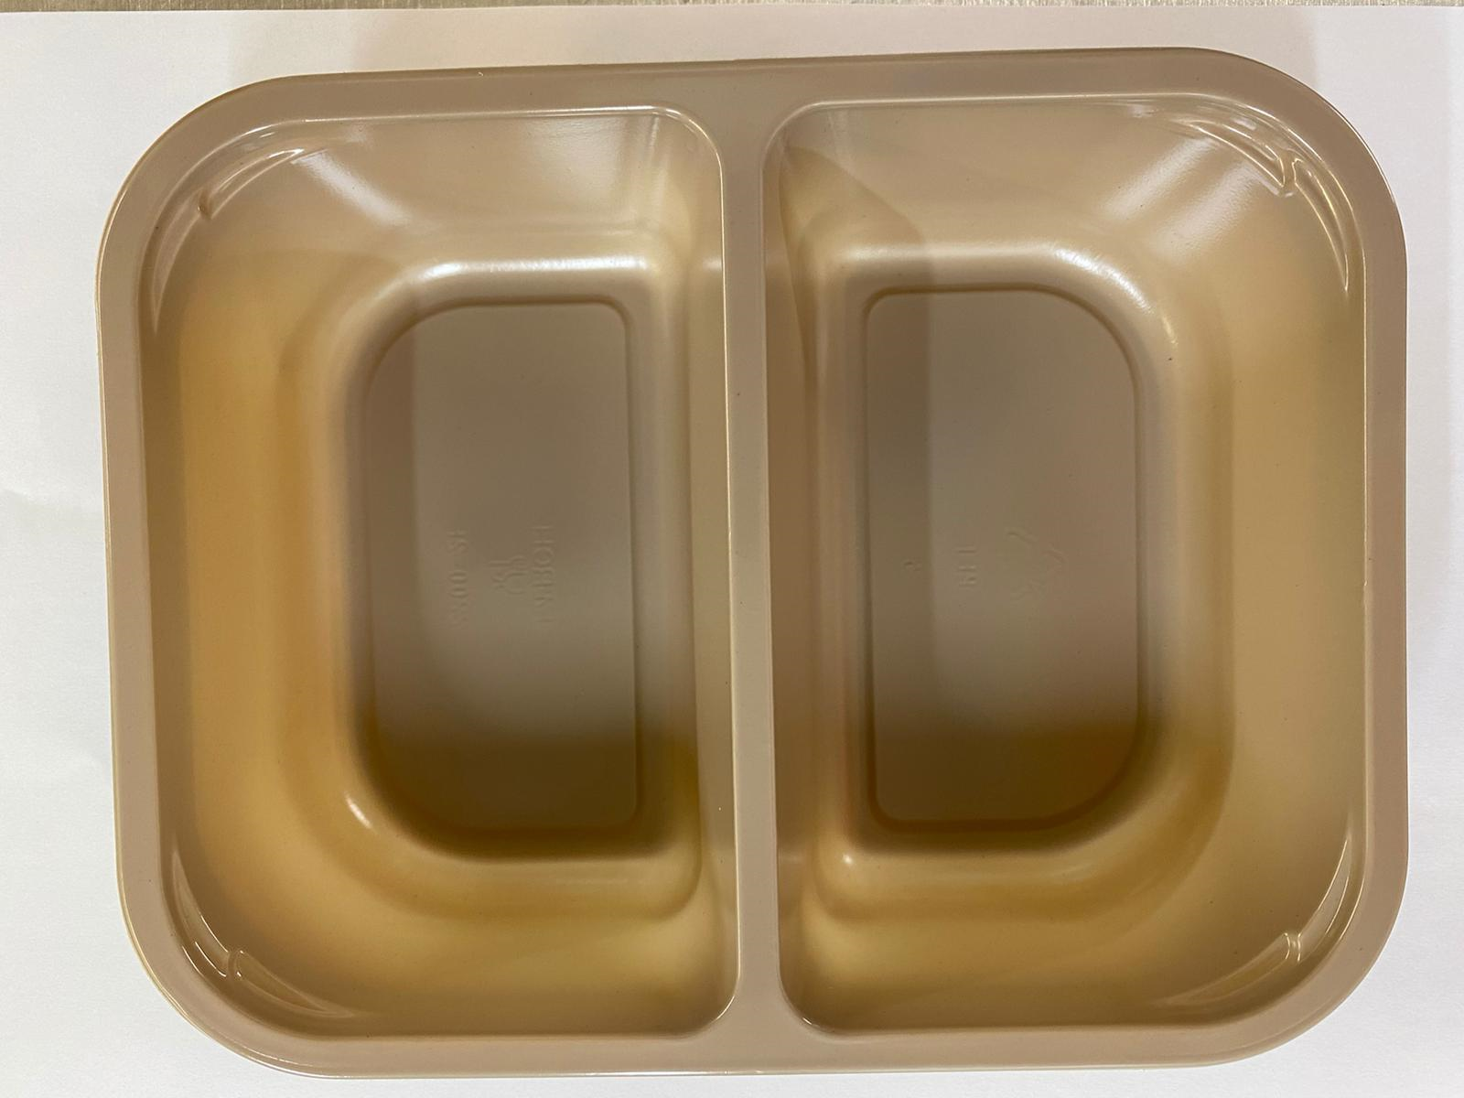 |  |  |  |  | 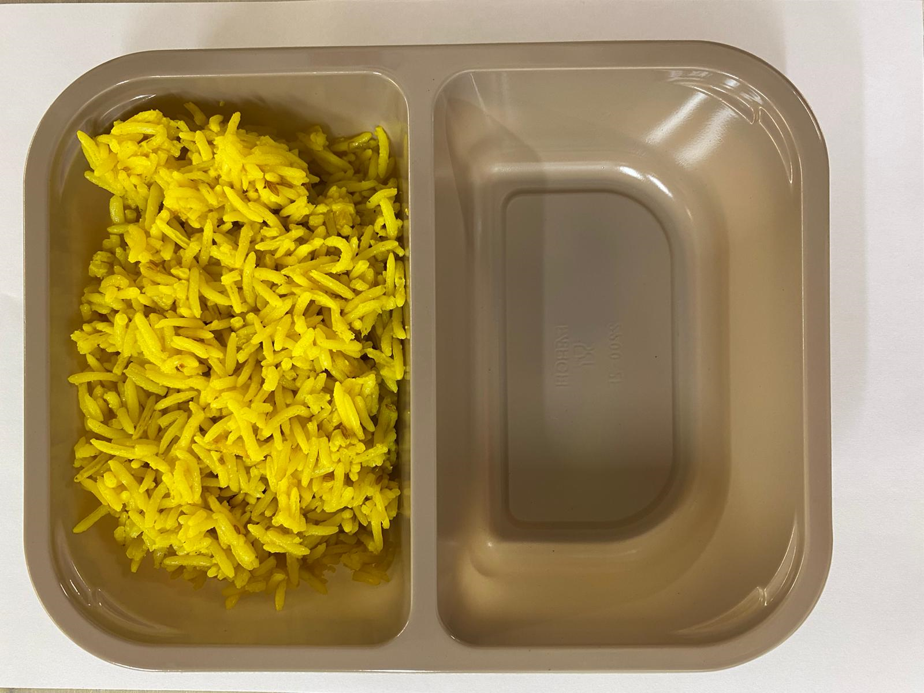

Tray: Evolve CPET 2200-2F (PKRHP001-10) |  |  |  |  | Pilau Rice (GFF143R): 180g

Film: K peel 7G+25A/f- 275mm (275 mmX1000)(PKKMP001-03)

STEP 3 |  |  |  |  | STEP 4
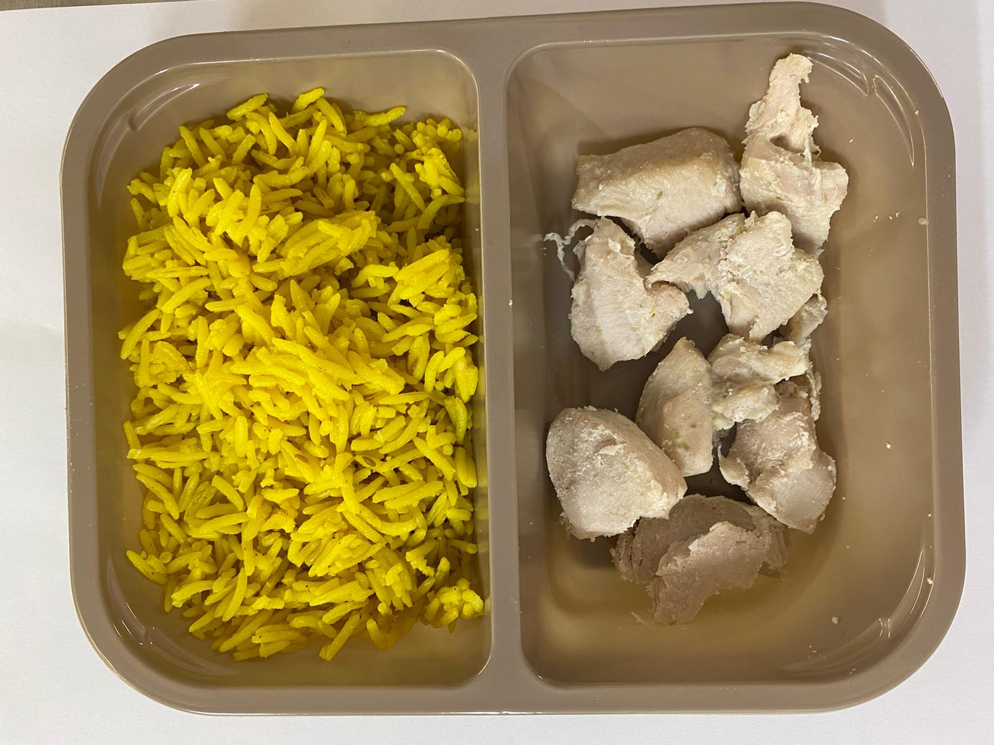 |  |  |  |  | 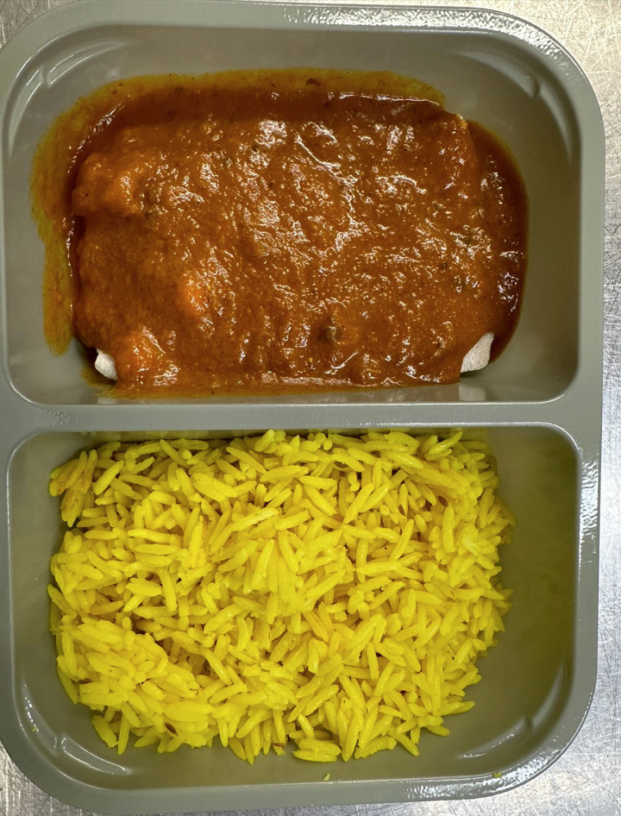
Chicken to be brought into H/R on day of packing

20-25mm Steam Cooked Diced Chicken (RMVES001-01): 60g |  |  |  |  | Madras Sauce (GFF127R): 160g |  |  |  |  | TOTAL WEIGHT: 400g

ALLERGY ALERT: MUSTARD, BARLEY

